Condition Summary
Calibration Results by Added-Water Condition

Water added (g) | Independent samples (n) | Mean of sample means (ADC) | Between-sample SD | Minimum sample mean | Maximum sample mean | Evidence level | 30 g prediction check
0 | 3 | 3308.8 | 114.2 | 3216.2 | 3436.4 | Replicated main condition (n=3) | Predicted ADC | 1496.0
10 | 1 | 2433.6 | Not estimated | 2433.6 | 2433.6 | Exploratory condition (n=1) | Observed mean ADC | 1397.4
20 | 3 | 1871.7 | 33.7 | 1839.0 | 1906.4 | Replicated main condition (n=3) | Absolute error (ADC) | 98.6
30 | 1 | 1397.4 | Not estimated | 1397.4 | 1397.4 | Exploratory condition (n=1) | Error vs observed | 7.1%
40 | 3 | 1112.2 | 40.9 | 1067.0 | 1146.6 | Replicated main condition (n=3)

 |  |  |  |  |  |  | Descriptive linear fit
Main result: mean ADC decreased consistently as added water increased. The 0 g, 20 g, and 40 g conditions each have three independent soil samples. The 10 g and 30 g conditions are useful intermediate observations but have only one independent sample each. |  |  |  |  |  |  | Slope (ADC/g) | -54.3
 |  |  |  |  |  |  | Intercept (ADC) | 3110.6
 |  |  |  |  |  |  | R² | 0.962

Mean ADC decreases as added water increases

Protocol & Notes
Experiment Protocol, Scope, and Limitations

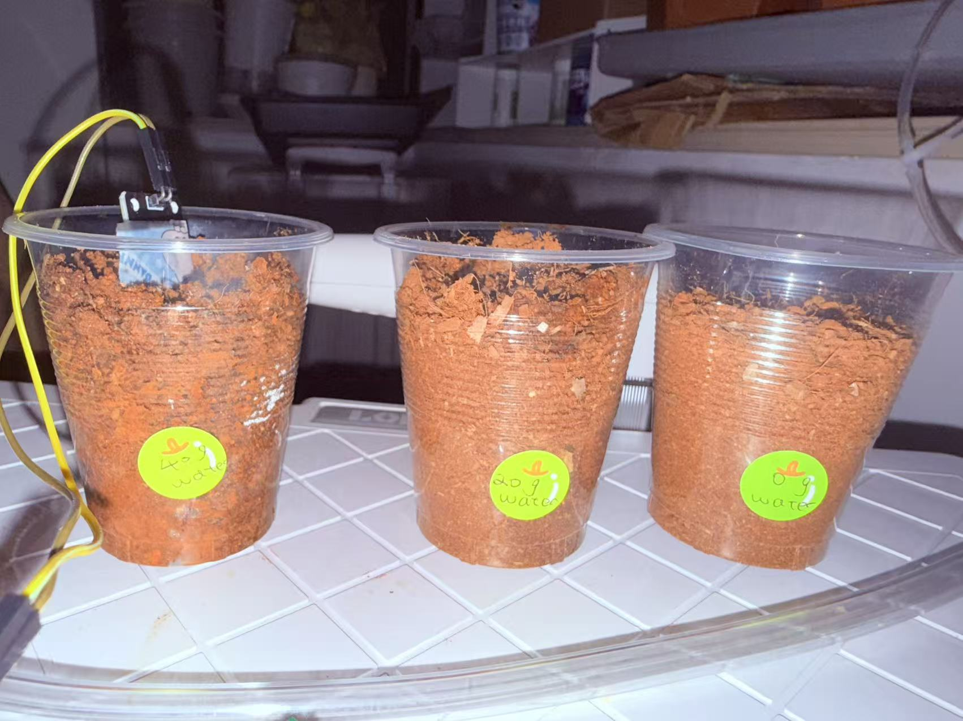
Item | Recorded method / interpretation
Research type | Independent replicated calibration study expanding an initial pilot experiment.
Independent variable | Mass of water added to the soil sample: 0 g, 10 g, 20 g, 30 g, or 40 g.
Dependent variable | ESP32 ADC reading from the soil-moisture sensor on GPIO33.
Independent experimental unit | One separately prepared cup of soil. The 0 g, 20 g, and 40 g conditions each have three independent cups.
Technical repeats | Five ADC readings were recorded from each cup and averaged to obtain one sample-level result.
Control measures | New dry soil was used for each experimental round; cup type, soil height/amount, added-water mass, waiting procedure, sensor depth, and measurement method were kept as consistent as practicable.
Decision threshold | ADC > 2200 corresponds to Pump ON in the current control logic; otherwise Pump OFF.
Observed relationship | Higher added-water mass produced lower ADC readings across all three replicated main conditions.
Prediction validation | The initial 20 g and 40 g means predicted approximately 1496 ADC at 30 g. The measured 30 g sample mean was 1397.4 ADC.
Limitation 1 | Only one independent sample was prepared at 10 g and one at 30 g; their between-sample variability cannot be estimated.
Limitation 2 | The experiment calibrated added-water mass under this soil and container setup; it did not establish universal volumetric soil moisture for every soil type.
Limitation 3 | Exact dry-soil mass was not recorded in the supplied data; equal soil amount and height were controlled operationally.
Data integrity | All 55 ADC values in the raw-data sheet are reported measured values. No predicted value is included as a measured observation.

 |  | Figure. Third independent experimental round using soil samples with 0 g, 20 g, and 40 g of added water.

